Sheet2
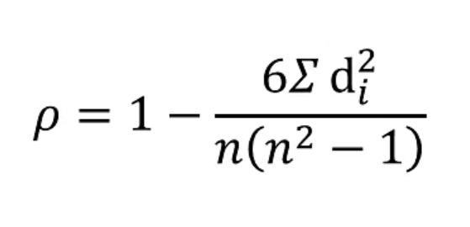
State/ UT | Urad | Moong
 | X | Y | RX | RY | D [Rx-Ry] | D2
Andhra Pradesh | 456 | 212 | 19 | 15 | 4 | 16
Assam | 60 | 14 | 9 | 6 | 3 | 9
Bihar | 15 | 161 | 7 | 14 | -7 | 49
Chhattisgarh | 101 | 16 | 14 | 7 | 7 | 49
Gujarat | 72 | 138 | 10 | 13 | -3 | 9
Haryana | 2 | 9 | 3 | 5 | -2 | 4
Himachal Pradesh | 9 | 0 | 5 | 3 | 2 | 4
Jammu & Kashmir | 0 | 1 | 1 | 4 | -3 | 9
$$6\sum{}D2$$
Jharkhand | 95 | 25 | 13 | 8 | 5 | 25
Karnataka | 89 | 357 | 12 | 19 | -7 | 49 |  | = | 2592
Kerala | 0 | 0 | 1 | 1 | 0 | 0
Madhya Pradesh | 935 | 295 | 21 | 18 | 3 | 9
Maharashtra | 280 | 385 | 15 | 20 | -5 | 25 | n(n2-1) | = | 9240
Orissa | 437 | 285 | 18 | 17 | 1 | 1
Punjab | 2 | 39 | 4 | 9 | -5 | 25
Rajasthan | 299 | 1373 | 16 | 21 | -5 | 25
Tamilnadu | 416 | 250 | 17 | 16 | 1 | 1
Telangana | 32 | 111 | 8 | 12 | -4 | 16 | P | 0.72
Uttar Pradesh | 614 | 97 | 20 | 11 | 9 | 81
Uttarakhand | 15 | 0 | 6 | 1 | 5 | 25
West Bengal | 75 | 57 | 11 | 10 | 1 | 1
 |  |  |  |  |  | 432

